Film table summary
FILM TABLE SUMMARY
Numerical | average_rental_duration | maximum_rental_duration | minimum_rental_duration | average_rental_rate | maximum_rental_rate | minimum_rental_rate | average_length | maximum_length | minimum_length | average_replacement_cost | maximum_replacement_cost | minimum_replacement_cost | mode_rating | mode_language_id | mode_release_year | mode_last_update
 | 4.985 | 7 | 3 | 2.98 | 4.99 | 0.99 | 115.272 | 185 | 46 | 19.984 | 29.99 | 9.99 | PG-13 | 1 | 2006 | 2013-05-26 14:50:58
Non-numerical
 | mode_rating | mode_language_id | mode_release_year | mode_last_update
 | PG-13 | 1 | 2006 | 2013-05-26 14:50:58

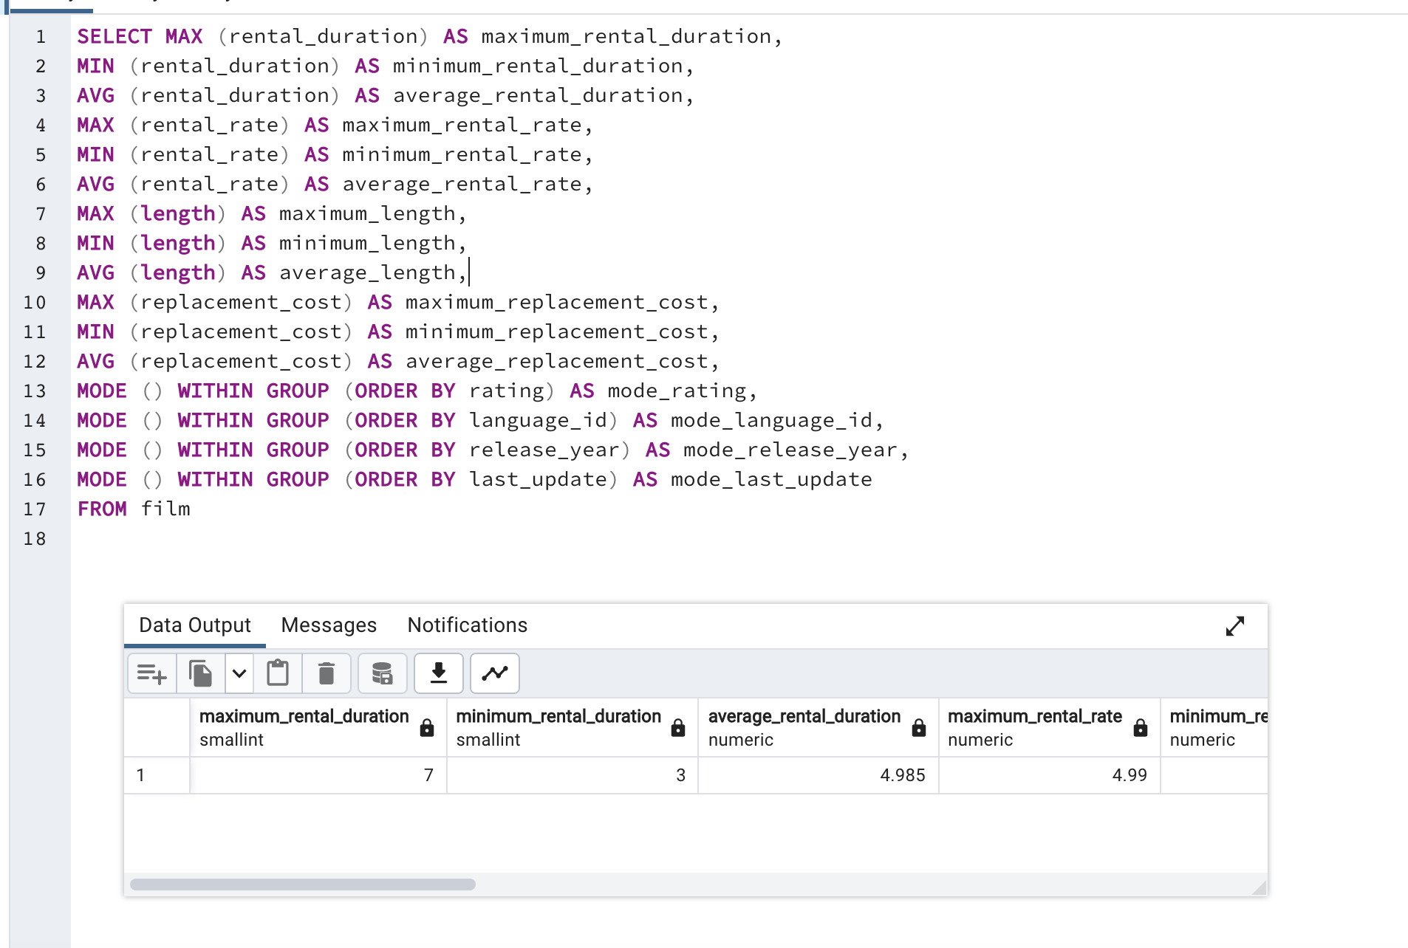
SELECT MAX (rental_duration) AS maximum_rental_duration,
MIN (rental_duration) AS minimum_rental_duration,
AVG (rental_duration) AS average_rental_duration,
MAX (rental_rate) AS maximum_rental_rate,
MIN (rental_rate) AS minimum_rental_rate,
AVG (rental_rate) AS average_rental_rate,
MAX (length) AS maximum_length,
MIN (length) AS minimum_length,
AVG (length) AS average_length,
MAX (replacement_cost) AS maximum_replacement_cost,
MIN (replacement_cost) AS minimum_replacement_cost,
AVG (replacement_cost) AS average_replacement_cost,
MODE () WITHIN GROUP (ORDER BY rating) AS mode_rating,
MODE () WITHIN GROUP (ORDER BY language_id) AS mode_language_id,
MODE () WITHIN GROUP (ORDER BY release_year) AS mode_release_year,
MODE () WITHIN GROUP (ORDER BY last_update) AS mode_last_update
FROM film

Customer table summary
CUSTOMER TABLE SUMMARY
mode_first_name | mode_last_name | mode_store_id | mode_last_update | mode_create_date | mode_active
Jamie | Abney | 1 | 2013-05-26 14:49:45 | 2006-02-14 | 1

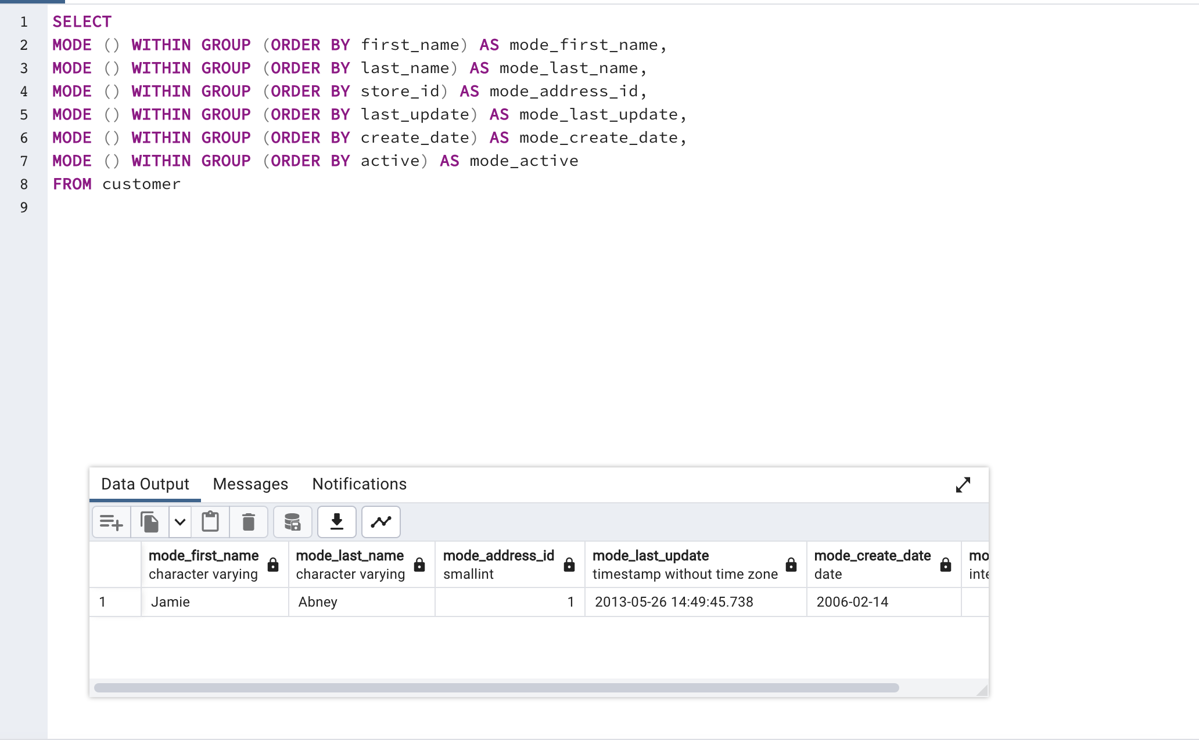
SELECT
MODE () WITHIN GROUP (ORDER BY first_name) AS mode_first_name,
MODE () WITHIN GROUP (ORDER BY last_name) AS mode_last_name,
MODE () WITHIN GROUP (ORDER BY store_id) AS mode_address_id,
MODE () WITHIN GROUP (ORDER BY last_update) AS mode_last_update,
MODE () WITHIN GROUP (ORDER BY create_date) AS mode_create_date,
MODE () WITHIN GROUP (ORDER BY active) AS mode_active
FROM customer

Most profitable movies
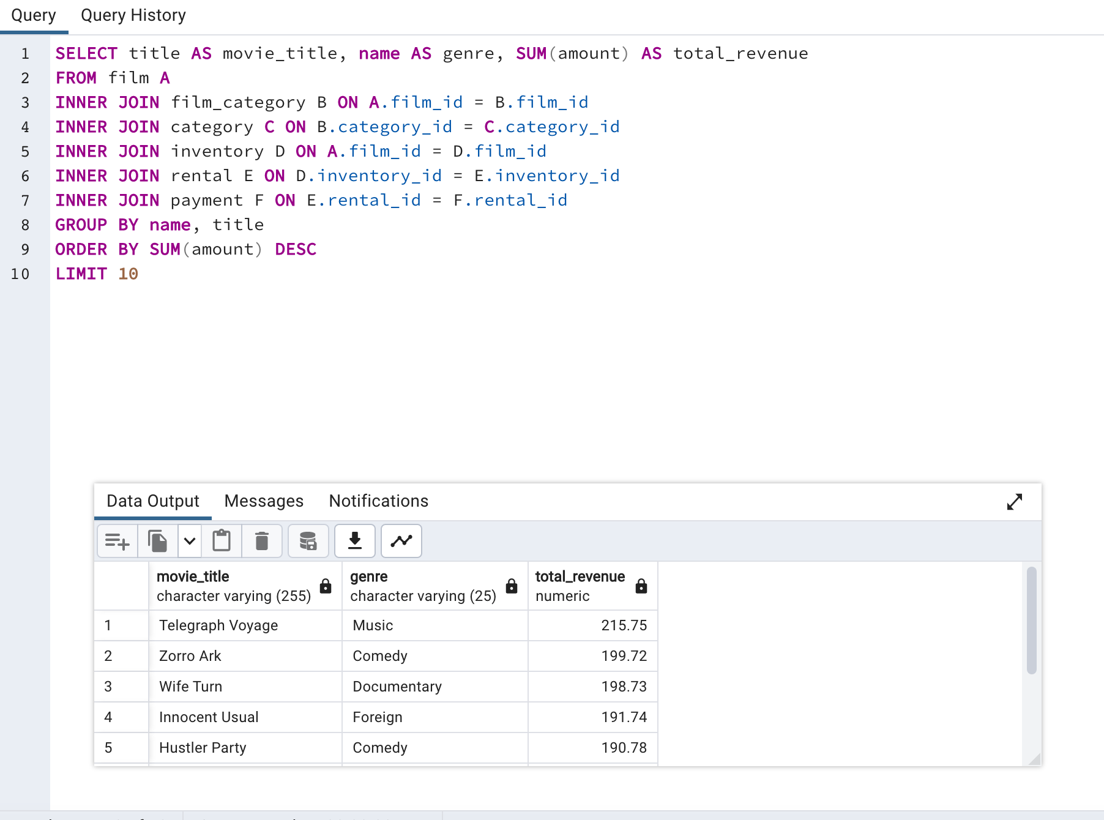
SELECT title AS movie_title, name AS genre, SUM(amount) AS total_revenue
FROM film A
INNER JOIN film_category B ON A.film_id = B.film_id
INNER JOIN category C ON B.category_id = C.category_id
INNER JOIN inventory D ON A.film_id = D.film_id
INNER JOIN rental E ON D.inventory_id = E.inventory_id
INNER JOIN payment F ON E.rental_id = F.rental_id
GROUP BY name, title
ORDER BY SUM(amount) DESC
LIMIT 10

Title | Genre | Total revenue
Telegraph Voyage | Music | 215.75
Zorro Ark | Comedy | 199.72
Wife Turn | Documentary | 198.73
Innocent Usual | Foreign | 191.74
Hustler Party | Comedy | 190.78
Saturday Lambs | Sports | 190.74
Titans Jerk | Sci-Fi | 186.73
Harry Idaho | Drama | 177.73
Torque Bound | Drama | 169.76
Dogma Family | Animation | 168.72

Least profitable movies
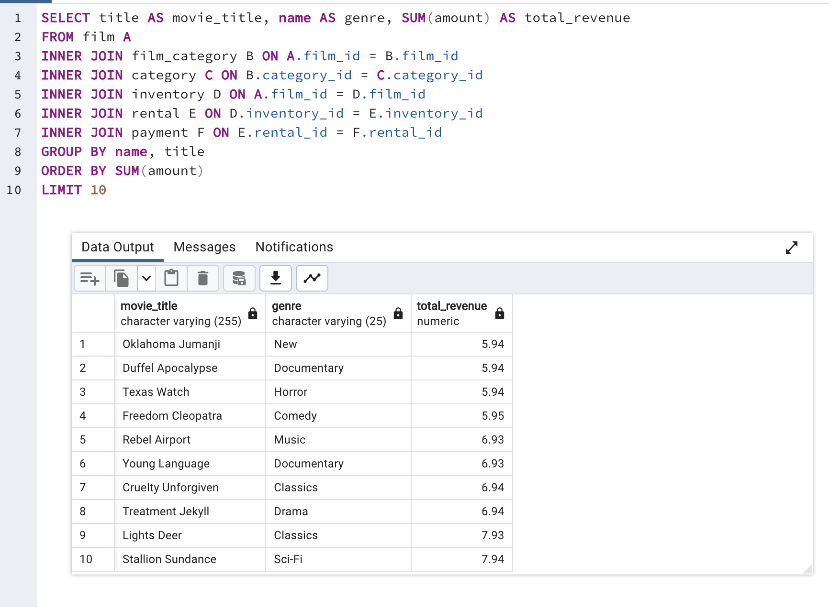
SELECT title AS movie_title, name AS genre, SUM(amount) AS total_revenue
FROM film A
INNER JOIN film_category B ON A.film_id = B.film_id
INNER JOIN category C ON B.category_id = C.category_id
INNER JOIN inventory D ON A.film_id = D.film_id
INNER JOIN rental E ON D.inventory_id = E.inventory_id
INNER JOIN payment F ON E.rental_id = F.rental_id
GROUP BY name, title
ORDER BY SUM(amount)
LIMIT 10

movie_title | genre | total_revenue
Oklahoma Jumanji | New | 5.94
Duffel Apocalypse | Documentary | 5.94
Texas Watch | Horror | 5.94
Freedom Cleopatra | Comedy | 5.95
Rebel Airport | Music | 6.93
Young Language | Documentary | 6.93
Cruelty Unforgiven | Classics | 6.94
Treatment Jekyll | Drama | 6.94
Lights Deer | Classics | 7.93
Stallion Sundance | Sci-Fi | 7.94

Most profitable movies by genre
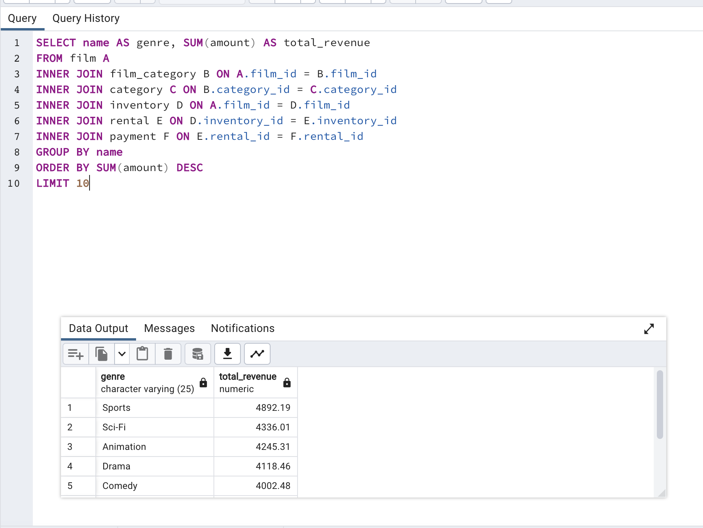
SELECT name AS genre, SUM(amount) AS total_revenue
FROM film A
INNER JOIN film_category B ON A.film_id = B.film_id
INNER JOIN category C ON B.category_id = C.category_id
INNER JOIN inventory D ON A.film_id = D.film_id
INNER JOIN rental E ON D.inventory_id = E.inventory_id
INNER JOIN payment F ON E.rental_id = F.rental_id
GROUP BY name
ORDER BY SUM(amount) DESC
LIMIT 10

genre | total_revenue
Sports | 4892.19
Sci-Fi | 4336.01
Animation | 4245.31
Drama | 4118.46
Comedy | 4002.48
New | 3966.38
Action | 3951.84
Foreign | 3934.47
Games | 3922.18
Family | 3782.26

Most profitables movies by rati
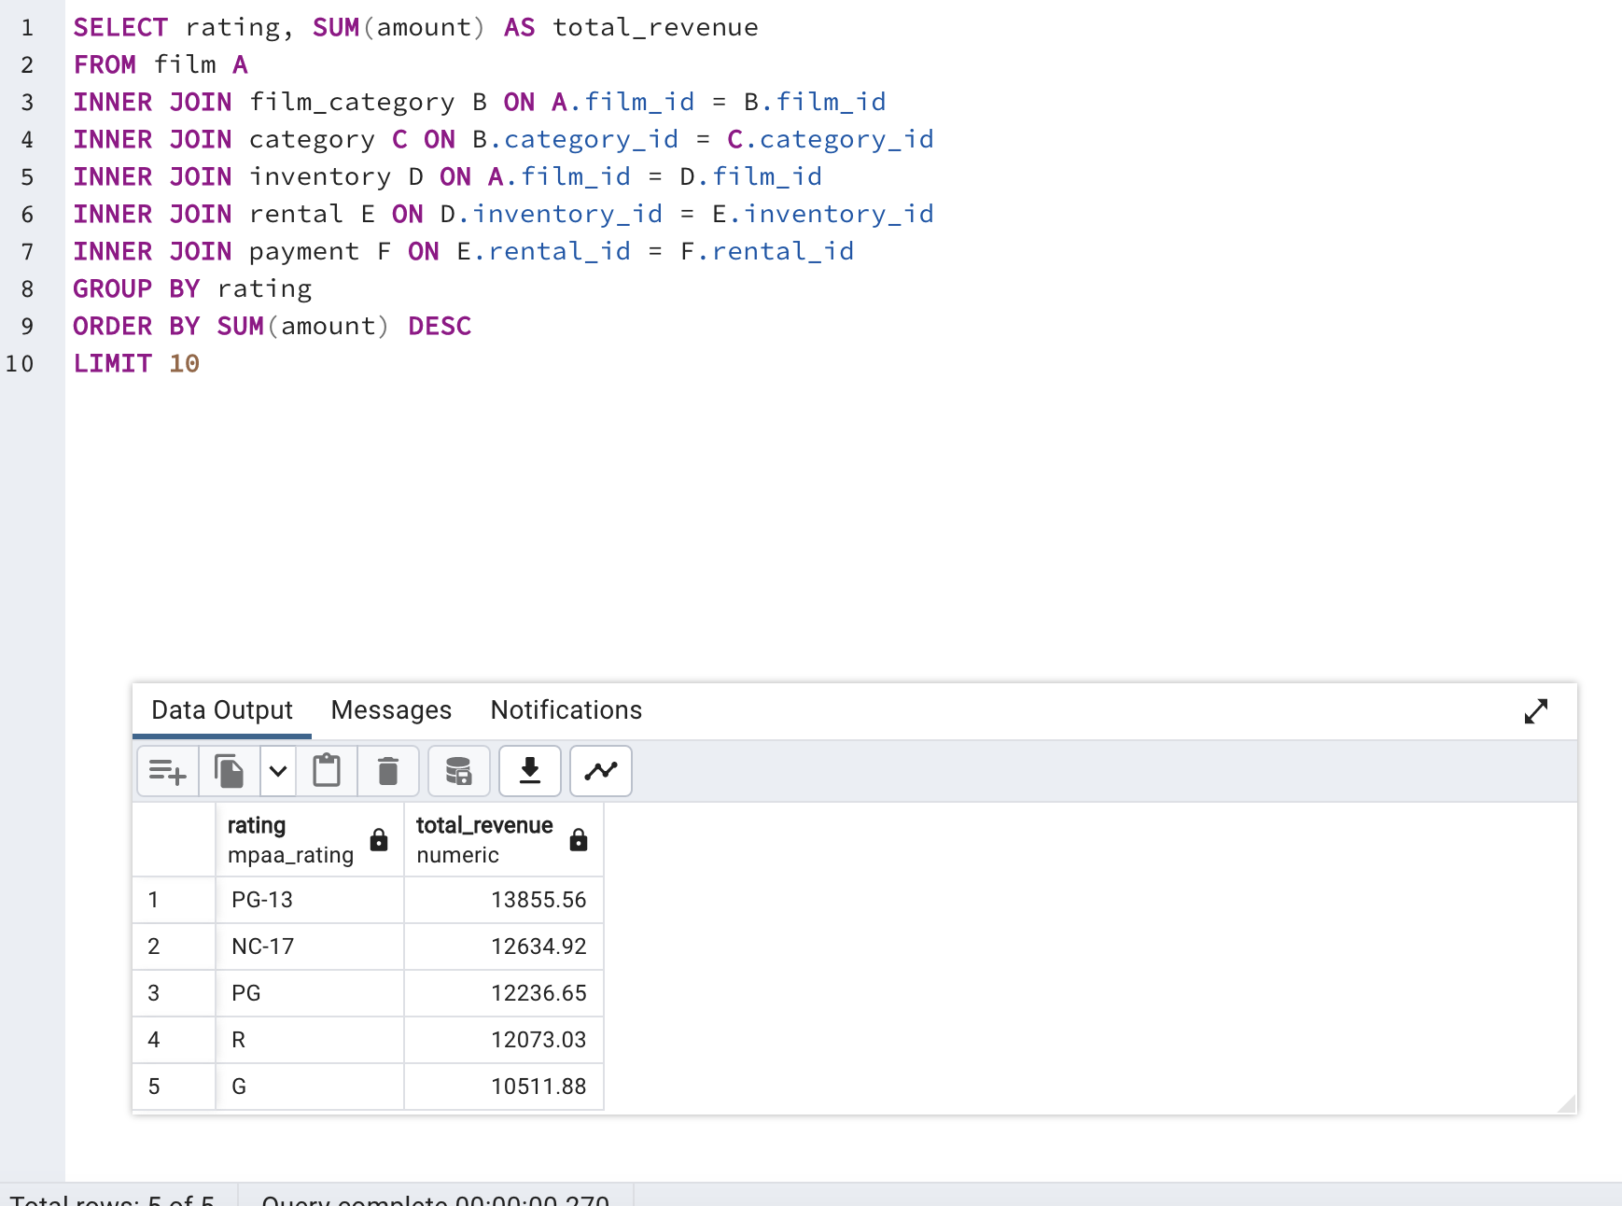
SELECT rating, SUM(amount) AS total_revenue
FROM film A
INNER JOIN film_category B ON A.film_id = B.film_id
INNER JOIN category C ON B.category_id = C.category_id
INNER JOIN inventory D ON A.film_id = D.film_id
INNER JOIN rental E ON D.inventory_id = E.inventory_id
INNER JOIN payment F ON E.rental_id = F.rental_id
GROUP BY rating
ORDER BY SUM(amount) DESC
LIMIT 10

rating | total_revenue
PG-13 | 13855.56
NC-17 | 12634.92
PG | 12236.65
R | 12073.03
G | 10511.88

Average rental duration by genr
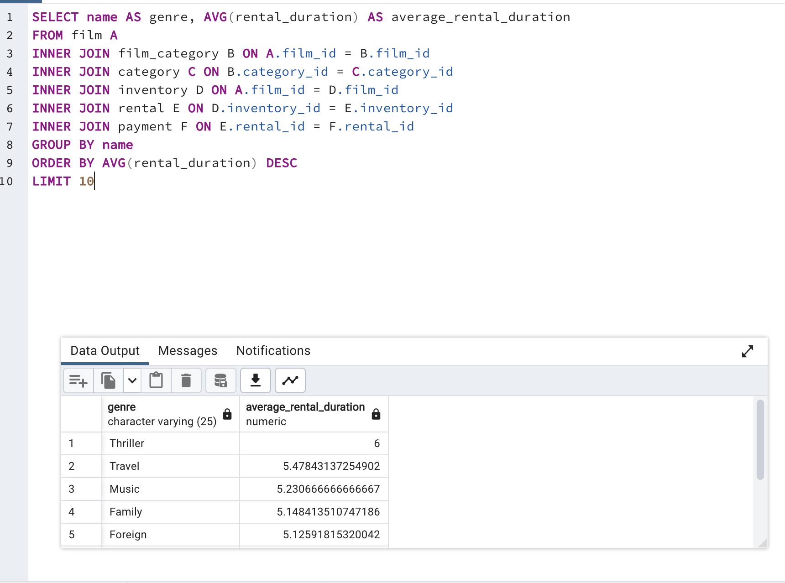
SELECT name AS genre, AVG(rental_duration) AS average_rental_duration
FROM film A
INNER JOIN film_category B ON A.film_id = B.film_id
INNER JOIN category C ON B.category_id = C.category_id
INNER JOIN inventory D ON A.film_id = D.film_id
INNER JOIN rental E ON D.inventory_id = E.inventory_id
INNER JOIN payment F ON E.rental_id = F.rental_id
GROUP BY name
ORDER BY AVG(rental_duration) DESC
LIMIT 10

genre | average_rental_duration
Thriller | 6
Travel | 5.4784313725
Music | 5.2306666667
Family | 5.1484135107
Foreign | 5.1259181532
Drama | 5.0682056663
Games | 5.0033936652
Children | 5.0023228804
Action | 4.9328726555
Classics | 4.9255813953

Top 10 countries by customers
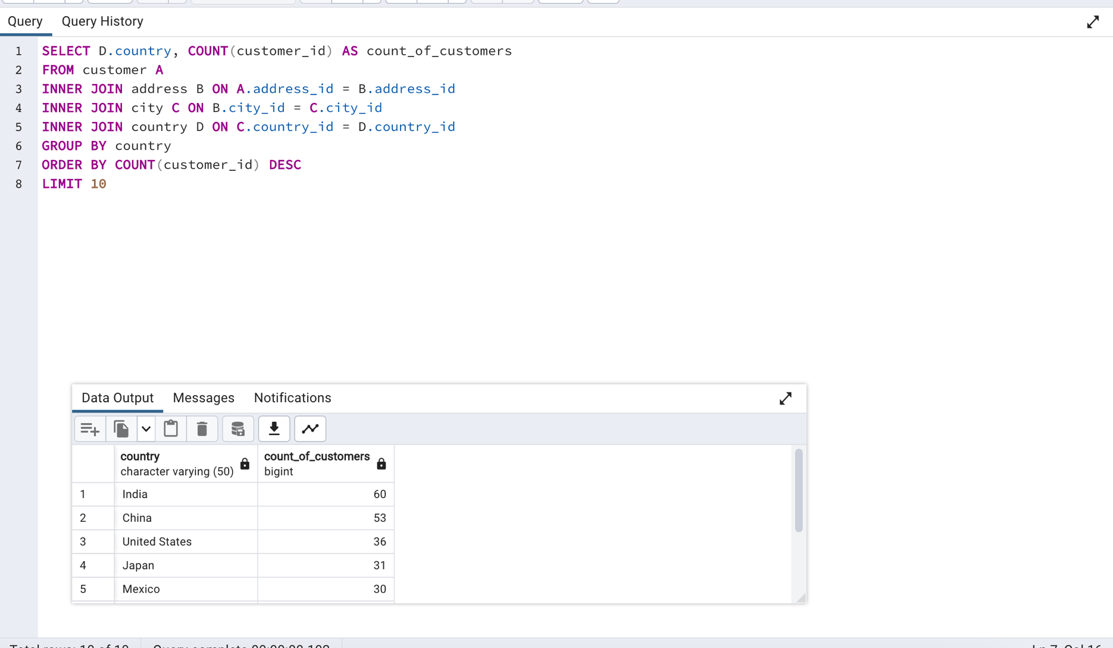
SELECT D.country, COUNT(customer_id) AS count_of_customers
FROM customer A
INNER JOIN address B ON A.address_id = B.address_id
INNER JOIN city C ON B.city_id = C.city_id
INNER JOIN country D ON C.country_id = D.country_id
GROUP BY country
ORDER BY COUNT(customer_id) DESC
LIMIT 10

country | count_of_customers
India | 60
China | 53
United States | 36
Japan | 31
Mexico | 30
Brazil | 28
Russian Federation | 28
Philippines | 20
Turkey | 15
Indonesia | 14

Top 10 cities
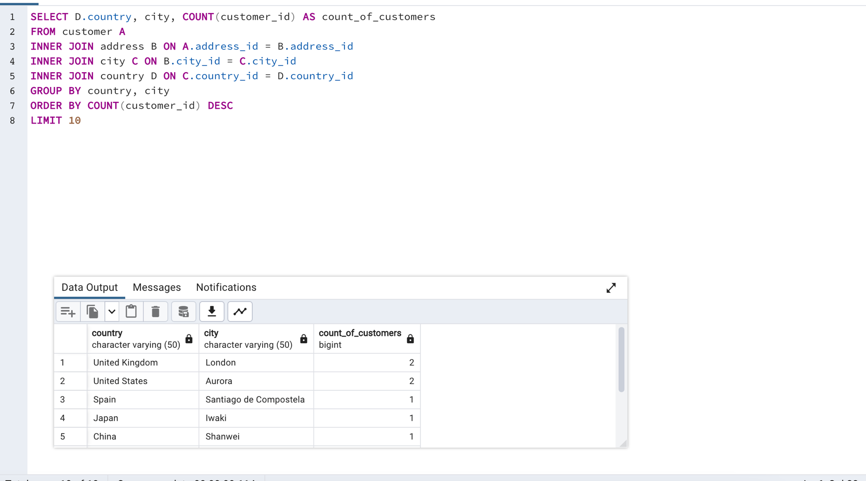
SELECT D.country, city, COUNT(customer_id) AS count_of_customers
FROM customer A
INNER JOIN address B ON A.address_id = B.address_id
INNER JOIN city C ON B.city_id = C.city_id
INNER JOIN country D ON C.country_id = D.country_id
GROUP BY country, city
ORDER BY COUNT(customer_id) DESC
LIMIT 10

country | city | count_of_customers
United Kingdom | London | 2
United States | Aurora | 2
Spain | Santiago de Compostela | 1
Japan | Iwaki | 1
China | Shanwei | 1
Morocco | Nador | 1
China | Tianjin | 1
Angola | Benguela | 1
South Africa | Rustenburg | 1
South Africa | Newcastle | 1

Top 10 customers
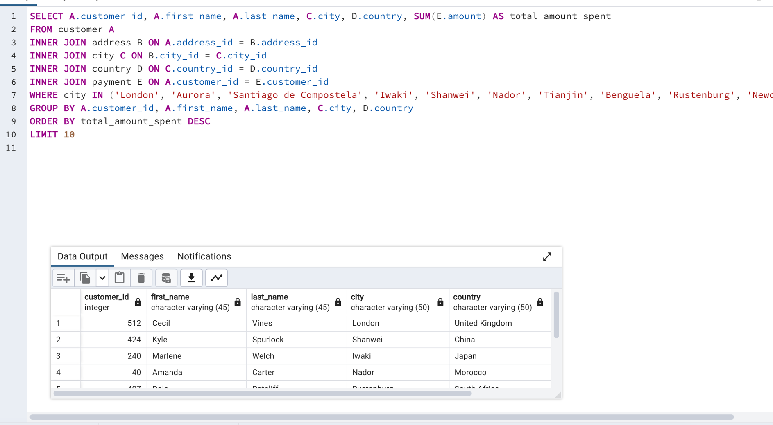
SELECT A.customer_id, A.first_name, A.last_name, C.city, D.country, SUM(E.amount) AS total_amount_spent
FROM customer A
INNER JOIN address B ON A.address_id = B.address_id
INNER JOIN city C ON B.city_id = C.city_id
INNER JOIN country D ON C.country_id = D.country_id
INNER JOIN payment E ON A.customer_id = E.customer_id
WHERE city IN ('London', 'Aurora', 'Santiago de Compostela', 'Iwaki', 'Shanwei', 'Nador', 'Tianjin', 'Benguela', 'Rustenburg', 'Newcastle')
GROUP BY A.customer_id, A.first_name, A.last_name, C.city, D.country
ORDER BY total_amount_spent DESC
LIMIT 10

customer_id | first_name | last_name | city | country | total_amount_spent
512 | Cecil | Vines | London | United Kingdom | 115.74
424 | Kyle | Spurlock | Shanwei | China | 109.71
240 | Marlene | Welch | Iwaki | Japan | 106.77
40 | Amanda | Carter | Nador | Morocco | 105.74
407 | Dale | Ratcliff | Rustenburg | South Africa | 104.74
537 | Clinton | Buford | Aurora | United States | 98.76
528 | Claude | Herzog | Benguela | Angola | 93.8
432 | Edwin | Burk | Newcastle | South Africa | 93.8
249 | Dora | Medina | Tianjin | China | 88.81
549 | Nelson | Christenson | Santiago de Compostela | Spain | 62.84

